About HowGood
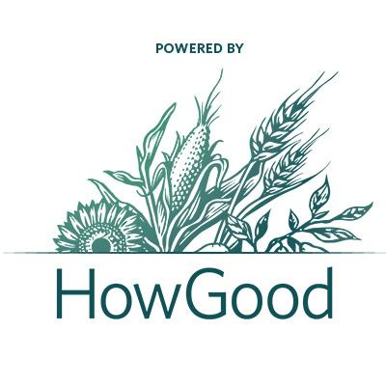 | About HowGood
 |  | HowGood is an independent research company with the world’s largest database on product sustainability. With data and analysis for more than 33,000 ingredients, chemicals, and materials, HowGood helps leading food brands, retailers and investors improve their environmental and social impact. Through in-depth, ingredient-level insights on factors ranging from greenhouse gas emissions to animal welfare to labor risk, HowGood data powers strategic decision-making for the sourcing, manufacturing, merchandising, and marketing of sustainable products. Brands identify opportunities to improve sustainability, drive greater transparency, and empower their consumers to make higher impact purchases. Visit howgood.com for more information.

 |  | For more about HowGood, visit: | https://howgood.com/

 | About HowGood's Research Methodology
 |  | HowGood has 15 years of research on global food supply chains. The team consolidates and analyzes findings from over 600 accredited data sources and certifications. These include a range of resources such as peer reviewed Life Cycle Assessment studies, journal articles, academic conference proceedings and texts, aggregated commercial databases, targeted industry studies, NGO research, and government publications. HowGood employs the most industry-recognized methodologies and ensures that the latest scientific research is incorporated. Metrics and impact assessments are updated accordingly, on an ongoing basis, making HowGood’s platform, Latis, the leading-edge tool for product sustainability. In turn, HowGood is able to provide impact assessments that are accurate, comprehensive, and the most up-to-date. Through the HowGood platform, we are able to scale this approach across products, brands, and the entire food industry.

 |  | For more about our research, visit: | https://howgood.com/research/

